Peaks identification (mz 191)
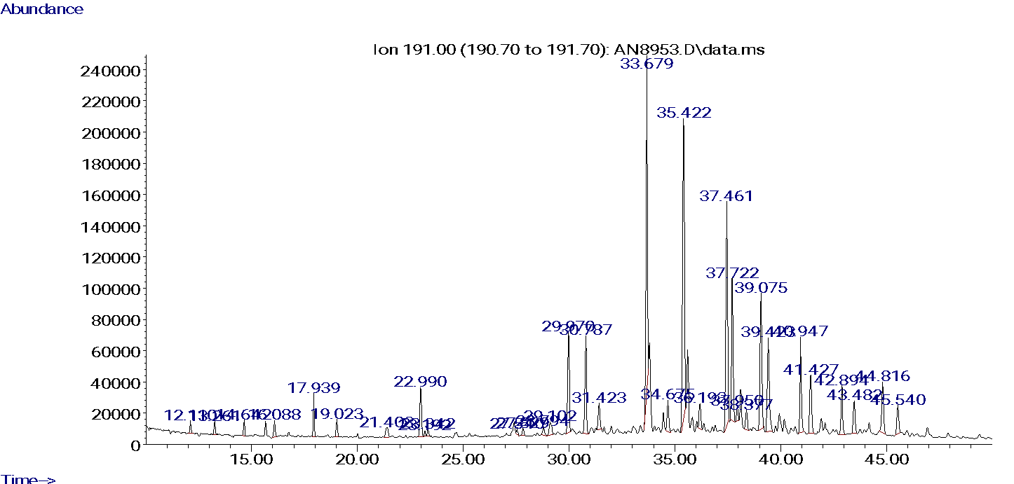
Biomarker | Tr
Tr 19 | 12,110
Tr 20 | 13,261
Tr 21 | 14,642
Tr 22 | 16,088
Tr 23 | 17,939
Tr 24 | 19,023
Tr 25 | 21,403
Tret 24 | 22,990
Tr 26R | 23,192
Tr 26S | 23,342
Tr 28R | 27,540
Tr 28S | 27,829
Tr 29R | 28,794
Tr 29S | 29,102
C27 18a, 21b Hopane (Ts) | 29,970
C27 17a, 21b Hopane (Tm) | 30,787
C28 17a, 18a 21b Hopane | 31,423
C29 17a, 21b Hopane | 33,679
C29 17b, 21a Hopane | 34,675
C30 17a, 21b Hopane | 35,422
C30 17b, 21a Hopane | 36,193
C31 17a, 21b Hopane 22S | 37,461
C31 17a, 21b Hopane 22R | 37,722
Gamacerane | 37,950
C30 17b, 21b Hopane | 38,377
C32 17a, 21b Hopane 22S | 39,075
C32 17a, 21b Hopane 22R | 39,423
C33 17a, 21b Hopane 22S | 40,947
C33 17a, 21b Hopane 22R | 41,427
C34 17a, 21b Hopane 22S | 42,894
C34 17a, 21b Hopane 22R | 43,482
C35 17a, 21b Hopane 22S | 44,816
C35 17a, 21b Hopane 22R | 45,540

Comparation Peters et al., 2005
 | Peters et al., 2005 | Pág. 340 | Pág. 412 | Pág. 476 | Pág. 415 | Pág. 410 | Pág. 416 | Pág. 413 | Pág. 320 | Pág. 322 | Pág. 401 | Pág. 498 | Pág. 461 |  | Pág. 339 | Pág 389 | Pág. 394 | Pág. 397 | Pág. 460 | Pág. 458 | Pág. 395 | Pág. 399
 | Geological origen | Western Platform Basin, Unayzah Formation (Permian) | Central Arabian Basin, Hanifa Formation (U. Jurrasic) | Dezful Embayment Basin, Asmari Formation (Oligocene) | Dezful Embayment Basin, Asmari Formation (Oligocene), Marun Field (MN-28) | Burgan Rumaila High (M. Cretaceus) | Southern Arabian Gulf Basin, Shilaif Formation (M. Cretaceus) | Southern Arabian Gulf Basin, Thamama Formation (L. Cretaceus) | South Oman Basin, Haushi Formation (Permian) | South Oman Basin, Gharif Formation (Permian) | Kwanza Basin, Quifangondo Formation (Miocene) | Niger Delta Basin (Miocene) | Sirte Basin, B Formation (Cretaceous) |  | Trias Basin, R-1 Formation (Cambrian) | Recôncavo Basin, Candeias Formation (L. Cretaceous) | Campos Basin, Macaé Formation (Albian) | Ceará Basin, Açu Formation (Aptian) | Upper Magdalena Basin, Guadalupe Formation (Cretaceous) | Maracaibo Basin | Congo Basin, Gamba Formation (Aptian) | Gabon Basin, Anguille Formation (Senonian)
 |  | Saudi Arabia (1) | Saudi Arabia (2) | Iran (1) | Iran (2) | Kuwait | United Arab Emirates (1) | United Arab Emirates (2) | Oman (1) | Oman (2) | Angola | Nigeria | Libya |  | Algeria | Brazil (1) | Brazil (2) | Brazil (3) | Colombia | Venezuela | Gabon (1) | Gabon (2)
 | Tr19/Tr23 | 0.22 | 0.31 | 0.09 | 0.15 | 0.18 | 0.12 | 0.22 | 0.03 | 0.07 | 0.02 | 0.22 | 0.03 |  | 0.09 | 0.02 | 0.03 | 0.25 | 0.03 | 0.04 | 0.06 | 0.06
 | Tr22/Tr21 | 0.45 | 0.92 | 0.32 | 0.50 | 1.02 | 0.92 | 0.88 | 0.56 | 0.38 | 0.31 | 0.34 | 0.29 |  | 0.29 | 0.31 | 0.22 | 0.24 | 0.36 | 0.50 | 0.32 | 0.26
 | Tr24/Tr23 | 0.78 | 0.39 | 0.88 | 0.52 | 0.32 | 0.37 | 0.34 | 0.49 | 0.88 | 0.57 | 0.83 | 0.59 |  | 0.82 | 0.72 | 0.69 | 0.71 | 0.73 | 0.60 | 0.80 | 0.53
 | Tr26/Tr25 | 1.98 | 0.97 | 0.65 | 0.64 | 0.68 | 0.91 | 0.82 | 0.96 | 1.02 | 0.73 | 1.43 | 0.89 |  | 0.95 | 1.75 | 1.35 | 1.02 | 0.66 | 0.77 | 1.76 | 0.80
 | Tet24/Tr23 | 0.08 | 2.36 | 0.44 | 0.55 | 1.26 | 1.11 | 1.25 | 0.23 | 0.10 | 0.24 | 1.20 | 0.16 |  | 0.10 | 0.16 | 0.20 | 0.47 | 0.11 | 0.13 | 0.18 | 0.20
 | C29/H | 0.48 | 0.83 | 0.50 | 1.08 | 1.20 | 0.92 | 1.00 | 0.96 | 0.65 | 0.63 | 0.55 | 0.46 |  | 0.44 | 0.49 | 0.64 | 0.44 | 0.59 | 0.73 | 0.49 | 0.45
 | C31R/H | 0.11 | 0.51 | 0.34 | 0.46 | 0.46 | 0.49 | 0.46 | 0.41 | 0.28 | 0.32 | 0.24 | 0.30 |  | 0.26 | 0.16 | 0.26 | 0.18 | 0.35 | 0.35 | 0.20 | 0.31
 | GA/C31R | 0.91 | 0.03 | 0.14 | 0.09 | 0.12 | 0.09 | 0.08 | 0.63 | 3.86 | 0.29 | 0.30 | 0.13 |  | 0.56 | 2.62 | 0.65 | 4.29 | 0.66 | 0.45 | 1.47 | 0.83
 | C35S/C34S | 0.77 | 1.01 | 0.98 | 1.24 | 1.07 | 1.17 | 1.04 | 1.86 | 1.50 | 0.70 | 0.49 | 0.62 |  | 0.79 | 0.40 | 0.56 | 0.72 | 0.86 | 1.05 | 0.45 | 0.81
 | Ster/Ter | 4.26 | 0.12 | 1.04 | 0.48 | 0.21 | 0.24 | 0.21 | 0.76 | 2.01 | 0.61 | 0.18 | 0.64 |  | 2.77 | 0.07 | 0.19 | 0.64 | 0.75 | 1.02 | 0.06 | 0.98
 | C29 20S/R | 0.81 | 0.76 | 0.80 | 0.84 | 0.83 | 0.62 | 0.77 | 0.85 | 0.86 | 0.57 | 0.49 | 0.88 |  | 0.89 | 1.07 | 0.58 | 0.50 | 0.68 | 0.83 | 0.73 | 0.33
 | Ts/Tm | 2.97 | 1.02 | 1.30 | 0.64 | 0.30 | 1.59 | 1.32 | 0.51 | 2.26 | 0.47 | 0.93 | 1.69 |  | 3.88 | 1.19 | 0.50 | 0.68 | 0.67 | 0.54 | 1.77 | 0.73
 | %C27 | 31.30 | 37.30 | 34.30 | 37.00 | 37.70 | 33.80 | 35.30 | 16.90 | 74.00 | 33.70 | 28.10 | 34.10 |  | 33.10 | 34.80 | 55.40 | 40.00 | 38.10 | 38.00 | 38.80 | 34.40
 | %C28 | 26.00 | 15.40 | 33.40 | 30.70 | 24.00 | 27.10 | 23.70 | 15.70 | 8.60 | 32.90 | 43.80 | 36.90 |  | 25.80 | 30.90 | 21.60 | 27.10 | 33.70 | 34.00 | 22.10 | 30.70
 | %C29 | 42.70 | 47.30 | 32.30 | 32.30 | 38.30 | 39.00 | 40.90 | 67.40 | 17.30 | 33.40 | 28.00 | 28.90 |  | 41.10 | 34.30 | 23.00 | 33.00 | 28.10 | 28.00 | 39.10 | 34.90

 | Peters et al., 2005 | Pág. 316 | Pág. 320 | Pág. 322 | Pág. 325 | Pág. 329 | Pág. 333 | Pág. 339 | Pág. 340 | Pág. 342 | Pág. 347 | Pág. 349 | Pág. 355 | Pág. 362 | Pág. 366 | Pág. 368 | Pág. 374 | Pág. 380 | Pág. 389 | Pág. 390 | Pág. 394 | Pág. 395 | Pág. 397 | Pág. 399 | Pág. 401 | Pág. 410 | Pág. 412 | Pág. 413 | Pág. 415 | Pág. 416 | Pág. 423 | Pág. 425 | Pág. 428 | Pág. 429 | Pág. 431 | Pág. 434 | Pág. 435 | Pág. 437 | Pág. 443 | Pág. 458 | Pág. 459 | Pág. 460 | Pág. 461 | Pág. 463 | Pág. 465 | Pág. 471 | Pág. 476 | Pág. 480 | Pág. 484 | Pág. 487 | Pág. 493 | Pág. 495 | Pág. 498 | Pág. 501 | Tese Olga
 | Geological origen | Baykit Basin, Iremeken Formation (Riphean) | South Oman Basin, Haushi Sandstone Formation (Permian) | South Oman Basin, Dhahaban Formation (Permian) | Gotland Island Basin, - Formation (Ordovician) | Wiliston Basin, Red River Formation (Ordovician) | Michigan Basin, Trenton/Black River Formation (Ordovician) | Trias Basin, R-1 Formation (Cambrian) | Western Platform, Unayzah Formation (Permian) | Inner Moray Firth Basin, - Formation (-) | Timen-Pechora Basin, - Formation (-) | Western Canadian Basin, - Formation (Upper Devonian) | Anadarko Basin, Deese Formation (Pennsylvanian) | Big Horn Basin, Tensleep Formation (Pennsylvanian) | Junggar Basin, - Formation (-) | Cooper/Euromanga Basin, Patchawarra Fm AGSO-10177 Formation (Permian) | North Slot Basin, Sag River Formation (U. Triassic) | Paris Basin, - Formation (-) | Reconcavo Basin, Candeias Formation (Lower Cretaceous) | Congo Basin, Lucula/Toca Formation (Pre Salt) | Campos Basin, Macaé Formation (Albian) | Congo Basin, Gamba/Dentale Formation (Aptian) | Ceará Basin, Açu Formation (Aptian) | Gabon Basin, Anguille Formation (Senonian) | Kwanza Basin, Quifangondo Formation (Miocene) | Burgan Rumaila High Basin, Burgan Sandstone Formation (M.Cretaceous) | Central Arabian Basin, Hanifa Limestone Formation (U.Jurassic) | Southern Arabian Gulf Basin, Thamama Limestone Formation (L.Cretaceous) | Dezful Embayment Basin, Asmari Limestone Formation (Oligocene) | Southern Arabian Gulf Basin, Shilaf Limestone Formation (M.Cretaceous) | Carnarvon/Barrow Basin, Malouet?Barrow Gp. AGSO-053 Formation (Lower Cretaceous) | Clarke Basin, Smackover Formation (Jurassic) | S.Florida Basin, Sunniland Formation (Cretaceous) | Onshore GOM Basin, Woodbine Formation (U.Cretaceous) | North Slope Basin, Kingak Formation (U.Jurassic) | East Shetland Basin, - Formation (-) | Jeanne D'Arc Basin, Ben Nevis DST 8, Zone 8 Formation (Lower Cretaceous) | West Siberian Basin, Bazhenov Formation (Upper Jurassic) | Neuquen Basin, Tordillo Formation (U.Jurassic) | Maracaibo Basin, - Formation (-) | Oriente Basin, Napo "U" Sand (Upper Cretaceous) | Upper Magdalena Basin, Guadalupe Formation (Cretaceous) | Sirte Basin, B Formation (Cretaceous) | Gulf of Suez Basin, - Formation (Cenomanian) | Gippsland Basin, Latrobe Gp Formation (Tertiary) | Uinta Basin, Wasatch Formation (Eocene) | Dezful Embaynent Basin, Asmari Limestone Formation (Oligocene) | Talara Basin, Talara "Helico" Formation (Eocene) | Central Sumatra Basin, Sihapas Formation (-) | South Mckong Basin, - Sandstone Formation (Miocene) | Santa Maria Onshore Basin, Monterey Formation (Miocene) | Tarragona Basin, - Formation (-) | Niger Delta Basin, - Formation (Miocene) | Mahakam Delta/Kutei Basin, Handil main zone Formation (Middle Miocene) | -
 | Samples | Russia | Oman | Oman (Well 1) | Sweden | USA(1) | USA(2) | Algeria | Saudi Arabia | UK | Russia | Canada | USA | USA | China | Australia | USA | France | Brazill | Cabinda | Brazil | Gabon | Brazil | Gabon | Angola | Kuwait | Saudi Arabia | United Arab Emerates | Iran | United Arab Emerates | Australia | USA | USA | USA | USA | UK | Canada | Russia | Argentina | Venezuela | Ecuador | Colombia | Libya | Egypt | Australia | USA | Iran | Peru | Indonesia | Vietnam | USA | Spain | Nigeria | Indonesia | Cuba
OilMod Ratios | C19/C23 | 0.08 | 0.03 | 0.07 | 0.05 | 0.97 | 0.46 | 0.09 | 0.22 | 0.20 | 0.08 | 0.06 | 0.02 | 0.01 | 0.06 | 7.26 | 0.04 | 0.07 | 0.02 | 0.02 | 0.03 | 0.06 | 0.25 | 0.06 | 0.02 | 0.18 | 0.31 | 0.22 | 0.15 | 0.12 | 0.96 | 0.07 | 0.02 | 0.12 | 0.18 | 0.20 | 0.10 | 0.10 | 0.10 | 0.04 | 0.02 | 0.03 | 0.03 | 0.05 | 2.56 | 0.07 | 0.09 | 0.07 | 0.28 | 0.05 | 0.01 | 0.04 | 0.22 | 6.16 | 0.32
 | C22/C21 | 0.28 | 0.56 | 0.38 | 0.31 | 0.39 | 0.27 | 0.29 | 0.45 | 0.26 | 0.35 | 0.42 | 0.38 | 1.05 | 0.22 | 0.13 | 0.73 | 0.31 | 0.31 | 0.20 | 0.22 | 0.32 | 0.24 | 0.26 | 0.31 | 1.02 | 0.92 | 0.88 | 0.50 | 0.92 | 0.41 | 1.04 | 1.03 | 0.46 | 0.41 | 0.46 | 0.32 | 0.37 | 0.34 | 0.50 | 0.32 | 0.36 | 0.29 | 0.48 | 0.33 | 0.25 | 0.32 | 0.24 | 0.35 | 0.26 | 0.75 | 0.28 | 0.34 | 0.31
 | C24/C23 | 0.82 | 0.49 | 0.88 | 0.77 | 0.70 | 0.58 | 0.82 | 0.78 | 0.65 | 0.71 | 0.67 | 0.65 | 0.37 | 0.52 | 0.76 | 0.55 | 0.69 | 0.72 | 0.76 | 0.69 | 0.80 | 0.71 | 0.53 | 0.57 | 0.32 | 0.39 | 0.34 | 0.52 | 0.37 | 0.61 | 0.38 | 0.31 | 0.74 | 0.69 | 0.83 | 1.13 | 1.01 | 0.92 | 0.60 | 0.82 | 0.73 | 0.59 | 0.52 | 0.56 | 0.88 | 0.88 | 0.83 | 0.95 | 8.90 | 0.44 | 0.67 | 0.83 | 1.20
 | C26/C25 | 0.97 | 0.96 | 1.02 | 0.81 | 0.93 | 0.95 | 0.95 | 1.98 | 1.44 | 0.01 | 0.96 | 0.99 | 0.77 | 1.08 | 1.17 | 0.78 | 0.71 | 1.75 | 1.68 | 1.35 | 1.76 | 1.02 | 0.80 | 0.73 | 0.68 | 0.97 | 0.82 | 0.64 | 0.91 | 1.35 | 0.76 | 0.76 | 1.08 | 1.03 | 0.74 | 0.70 | 0.62 | 0.73 | 0.77 | 0.70 | 0.66 | 0.89 | 0.76 | 1.33 | 1.31 | 0.65 | 1.22 | 1.66 | 1.69 | 0.76 | 1.00 | 1.43 | 1.27 | 2.65
 | Tet/C23 | 0.19 | 0.23 | 0.10 | 0.10 | 2.99 | 1.35 | 0.10 | 0.08 | 0.51 | 0.29 | 0.41 | 0.09 | 0.12 | 0.18 | 10.92 | 0.22 | 0.28 | 0.16 | 0.18 | 0.20 | 0.18 | 0.47 | 0.20 | 0.24 | 1.26 | 2.36 | 1.25 | 0.55 | 1.11 | 1.38 | 1.02 | 0.31 | 0.41 | 0.79 | 0.70 | 0.52 | 0.37 | 0.44 | 0.13 | 0.11 | 0.11 | 0.16 | 0.25 | 2.33 | 0.11 | 0.44 | 0.18 | 0.57 | 0.39 | 0.09 | 0.15 | 1.20 | 9.46
 | C27T/C27 | 0.16 | 0.03 | 0.07 | 0.01 | 0.00 | 0.02 | 0.10 | 0.08 | 0.01 | 0.01 | 0.05 | 0.06 | 0.01 | 0.02 | 0.04 | 0.03 | 0.06 | 0.01 | 0.14 | 0.54 | 0.02 | 0.04 | 0.05 | 0.01 | 0.03 | 0.00 | 0.02 | 0.06 | 0.01 | 0.16 | 0.02 | 0.01 | 0.02 | 0.02 | 0.11 | 0.04 | 0.56 | 0.05 | 0.15 | 0.02 | 0.14 | 0.02 | 0.04 | 0.06 | 0.01 | 0.02 | 0.07 | 0.01 | 0.00 | 0.00 | 0.01 | 0.08 | 0.02
 | C28/H | 0.16 | 0.07 | 0.42 | 0.03 | 0.02 | 0.03 | 0.15 | 0.13 | 0.03 | 0.02 | 0.01 | 0.06 | 0.02 | 0.03 | 0.05 | 0.08 | 0.03 | 0.02 | 0.05 | 0.11 | 0.01 | 0.06 | 0.11 | 0.07 | 0.01 | 0.00 | 0.00 | 0.01 | 0.01 | 0.06 | 0.01 | 0.01 | 0.02 | 0.02 | 0.25 | 0.02 | 0.06 | 0.02 | 0.11 | 0.06 | 0.12 | 0.01 | 0.00 | 0.03 | 0.08 | 0.05 | 0.06 | 0.03 | 0.02 | 1.00 | 0.01 | 0.09 | 0.02
 | C29/H | 0.62 | 0.96 | 0.65 | 0.50 | 0.53 | 0.54 | 0.44 | 0.48 | 0.62 | 0.68 | 0.53 | 0.48 | 2024-09-01 | 0.64 | 0.62 | 1.01 | 0.34 | 0.49 | 0.59 | 0.64 | 0.49 | 0.44 | 0.45 | 0.63 | 1.20 | 0.83 | 1.00 | 1.08 | 0.92 | 0.51 | 1.21 | 1.08 | 0.36 | 0.38 | 0.45 | 0.35 | 0.41 | 0.37 | 0.73 | 0.52 | 0.59 | 0.46 | 0.82 | 0.49 | 0.34 | 0.50 | 0.48 | 0.49 | 0.75 | 0.68 | 0.57 | 0.55 | 0.44
 | C30X/H | 0.10 | 0.01 | 0.22 | 0.10 | 0.10 | 0.14 | 0.57 | 0.58 | 0.20 | 0.06 | 0.07 | 0.06 | 0.01 | 0.06 | 0.16 | 0.04 | 0.13 | 0.06 | 0.04 | 0.06 | 0.09 | 0.05 | 0.09 | 0.02 | 0.02 | 0.01 | 0.02 | 0.03 | 0.01 | 0.12 | 0.01 | 0.01 | 0.14 | 0.15 | 0.06 | 0.04 | 0.08 | 0.09 | 0.04 | 0.03 | 0.06 | 0.05 | 0.02 | 0.18 | 0.67 | 0.05 | 0.14 | 0.20 | 0.05 | 0.01 | 0.04 | 0.07 | 0.10
 | OL/H | 0.04 | 0.02 | 0.13 | 0.03 | 0.02 | 0.01 | 0.14 | 0.00 | 0.01 | 0.01 | 0.01 | 0.03 | 0.01 | 0.03 | 0.00 | 0.01 | 0.00 | 0.01 | 0.01 | 0.02 | 0.02 | 0.01 | 0.01 | 0.02 | 0.00 | 0.00 | 0.00 | 0.05 | 0.00 | 0.02 | 0.00 | 0.00 | 0.02 | 0.01 | 0.01 | 0.00 | 0.01 | 0.01 | 0.06 | 0.01 | 0.05 | 0.01 | 0.04 | 0.05 | 0.14 | 0.27 | 0.80 | 0.09 | 0.05 | 0.06 | 0.20 | 0.92 | 0.32
 | C31R/H | 0.29 | 0.41 | 0.28 | 0.24 | 0.30 | 0.40 | 0.26 | 0.11 | 0.23 | 0.27 | 0.29 | 0.24 | 0.38 | 0.21 | 0.32 | 0.40 | 0.34 | 0.16 | 0.19 | 0.26 | 0.20 | 0.18 | 0.31 | 0.32 | 0.46 | 0.51 | 0.46 | 0.46 | 0.49 | 0.26 | 0.48 | 0.52 | 0.27 | 0.31 | 0.37 | 0.30 | 0.34 | 0.44 | 0.35 | 0.36 | 0.35 | 0.30 | 0.41 | 0.35 | 0.24 | 0.34 | 0.22 | 0.21 | 0.24 | 0.37 | 0.23 | 0.24 | 0.28
 | GA/C31R | 0.43 | 0.63 | 3.86 | 1.05 | 0.10 | 0.12 | 0.56 | 0.91 | 0.34 | 0.21 | 0.13 | 0.48 | 0.54 | 1.63 | 0.05 | 0.36 | 0.13 | 2.62 | 1.54 | 0.65 | 1.47 | 4.29 | 0.83 | 0.29 | 0.12 | 0.03 | 0.08 | 0.09 | 0.09 | 0.12 | 0.08 | 0.12 | 0.27 | 0.09 | 0.08 | 0.57 | 0.11 | 0.10 | 0.45 | 0.25 | 0.66 | 0.13 | 0.27 | 0.04 | 4.71 | 0.14 | 0.23 | 0.21 | 0.26 | 0.38 | 0.10 | 0.30 | 0.12
 | C35S/C34S | 1.10 | 1.86 | 1.50 | 0.73 | 0.48 | 0.69 | 0.79 | 0.77 | 0.51 | 0.66 | 0.51 | 0.68 | 1.20 | 0.63 | 0.34 | 1.28 | 0.55 | 0.40 | 0.41 | 0.56 | 0.45 | 0.72 | 0.81 | 0.70 | 1.07 | 1.01 | 1.04 | 1.24 | 1.17 | 0.42 | 1.39 | 0.96 | 0.72 | 0.52 | 0.88 | 0.63 | 0.81 | 0.89 | 1.05 | 0.83 | 0.86 | 0.62 | 1.12 | 0.50 | 0.43 | 0.98 | 0.47 | 0.45 | 0.48 | 2.15 | 0.58 | 0.49 | 0.46
 | Ster/Terp | 0.61 | 0.76 | 2.01 | 0.78 | 0.31 | 0.34 | 2.77 | 4.26 | 0.20 | 0.43 | 0.39 | 0.86 | 0.56 | 1.42 | 0.25 | 0.17 | 0.79 | 0.07 | 0.07 | 0.19 | 0.06 | 0.64 | 0.98 | 0.61 | 0.21 | 0.12 | 0.21 | 0.48 | 0.24 | 0.38 | 0.26 | 0.23 | 0.58 | 0.48 | 0.66 | 0.47 | 0.72 | 0.70 | 1.02 | 0.80 | 0.75 | 0.64 | 0.56 | 0.58 | 0.48 | 1.04 | 2.35 | 0.12 | 0.06 | 0.86 | 0.93 | 0.18 | 0.22
 | Rearr/Reg | 0.61 | 0.33 | 0.53 | 1.88 | 3.00 | 4.19 | 4.46 | 6.65 | 2.36 | 0.94 | 2.14 | 1.14 | 0.24 | 0.12 | 6.50 | 1.13 | 3.13 | 0.14 | 0.32 | 0.69 | 0.33 | 0.24 | 0.68 | 0.44 | 0.33 | 0.68 | 0.88 | 0.97 | 0.51 | 1.08 | 0.66 | 0.82 | 2.45 | 2.34 | 1.39 | 0.81 | 2.64 | 2.83 | 0.43 | 0.92 | 1.07 | 1.80 | 0.64 | 2.13 | 1.80 | 1.09 | 1.03 | 3.58 | 0.53 | 0.15 | 1.09 | 0.65 | 0.28
 | %C27 | 12.70 | 16.90 | 74.0 | 31.0 | 30.0 | 28.30 | 33.1 | 31.30 | 21.20 | 30.60 | 34.5 | 33.1 | 45.5 | 7.80 | 5.40 | 30.60 | 34.1 | 34.8 | 48.5 | 55.4 | 38.8 | 40.0 | 34.4 | 33.7 | 37.7 | 37.3 | 35.3 | 37.0 | 33.8 | 27.0 | 32.6 | 32.7 | 31.2 | 28.80 | 32.8 | 47.4 | 35.9 | 40.7 | 38.0 | 33.1 | 38.1 | 34.1 | 36.8 | 6.30 | 30.70 | 34.3 | 35.9 | 47.5 | 37.70 | 37.9 | 31.80 | 28.10 | 6.60 | 37.00
 | %C28 | 20.40 | 15.70 | 8.60 | 24.0 | 23.90 | 21.40 | 25.80 | 26.0 | 39.7 | 21.0 | 19.50 | 22.40 | 2024-03-22 | 48.4 | 25.30 | 28.80 | 27.30 | 30.90 | 22.50 | 21.60 | 22.10 | 27.10 | 30.70 | 32.9 | 24.0 | 15.40 | 23.70 | 30.70 | 27.10 | 28.0 | 19.40 | 28.60 | 36.4 | 26.90 | 29.90 | 19.50 | 33.7 | 28.30 | 34.0 | 35.3 | 33.7 | 36.9 | 33.6 | 23.30 | 28.50 | 33.40 | 38.1 | 21.60 | 24.80 | 35.7 | 40.0 | 43.8 | 29.0 | 25.00
 | %C29 | 66.9 | 67.4 | 17.30 | 45.0 | 46.1 | 50.3 | 41.1 | 42.7 | 39.1 | 48.4 | 46.1 | 44.5 | 32.2 | 43.8 | 69.2 | 40.6 | 38.6 | 34.3 | 28.90 | 23.0 | 39.1 | 33.0 | 34.9 | 33.4 | 38.3 | 47.3 | 40.9 | 32.3 | 39.0 | 45.1 | 48.0 | 38.8 | 32.4 | 44.2 | 37.4 | 33.1 | 30.40 | 31.0 | 28.0 | 31.6 | 28.10 | 28.90 | 29.60 | 70.5 | 40.8 | 32.3 | 26.0 | 30.90 | 37.5 | 26.40 | 28.20 | 28.0 | 64.4 | 38.00
 | C29 20S/R | 0.84 | 0.85 | 0.86 | 0.67 | 1.08 | 1.21 | 0.89 | 0.81 | 0.90 | 0.84 | 0.86 | 0.80 | 0.85 | 0.88 | 0.84 | 0.73 | 0.87 | 1.07 | 0.88 | 0.58 | 0.73 | 0.50 | 0.33 | 0.57 | 0.83 | 0.76 | 0.77 | 0.84 | 0.62 | 0.80 | 0.86 | 0.76 | 0.78 | 0.82 | 0.77 | 0.60 | 0.80 | 0.78 | 0.83 | 0.70 | 0.68 | 0.88 | 0.75 | 0.67 | 1.70 | 0.80 | 0.61 | 1.10 | 0.89 | 0.66 | 0.74 | 0.49 | 0.77
 | Ts/Tm | 0.88 | 0.51 | 2.26 | 1.06 | 1.46. | 0.78 | 3.88 | 2.97 | 1.19 | 0.75 | 1.01 | 1.38 | 0.34 | 0.11 | 0.46 | 0.42 | 1.94 | 1.19 | 0.77 | 0.50 | 1.77 | 0.68 | 0.73 | 0.47 | 0.30 | 45323.00 | 1.32 | 0.64 | 1.59 | 1.62 | 1.74 | 0.31 | 1.93 | 1.07 | 1.24 | 1.03 | 1.77 | 1.95 | 0.54 | 0.60 | 0.67 | 1.69 | 0.36 | 0.64 | 3.48 | 1.30 | 2.20 | 2.36 | 0.98 | 0.39 | 0.78 | 0.93 | 0.33 | 0.65
 | C29D/H | 0.34 | 0.20 | 0.50 | 0.46 | 0.63 | 0.55 | 1.72 | 0.83 | 0.47 | 0.21 | 0.37 | 0.32 | 0.12 | 0.09 | 0.18 | 0.16 | 0.70 | 0.27 | 0.26 | 0.25 | 0.37 | 0.40 | 0.46 | 0.23 | 0.12 | 0.36 | 0.39 | 0.21 | 0.38 | 0.51 | 0.33 | 0.11 | 0.63 | 0.59 | 0.41 | 0.36 | 0.51 | 0.99 | 0.23 | 0.29 | 0.31 | 0.44 | 0.14 | 0.27 | 1.20 | 0.45 | 0.52 | 0.63 | 0.36 | 0.12 | 0.19 | 0.43 | 0.17
 | DM/H | 0.01 | 0.01 | 0.24 | 0.01 | 0.01 | 0.00 | 0.07 | 0.09 | 0.02 | 0.01 | 0.01 | 0.01 | 0.01 | 0.11 | 0.00 | 0.03 | 0.01 | 0.01 | 0.03 | 0.11 | 0.04 | 0.09 | 0.02 | 0.01 | 0.00 | 0.00 | 0.00 | 0.01 | 0.01 | 0.15 | 0.01 | 0.00 | 0.01 | 0.01 | 0.01 | 0.00 | 0.01 | 0.01 | 0.12 | 0.00 | 0.07 | 0.01 | 0.00 | 0.00 | 0.01 | 0.01 | 0.09 | 0.01 | 0.01 | 0.01 | 0.01 | 0.03 | 0.04

Whole Crude Oil Gas Cromatography | Pr/Ph | 0.87 | 0.52 | 1.09 | 2.04 | 0.58 | 1.46 | 1.58 | 45414.00 | 2.17 | 1.31 | 1.41 | 1.37 | 0.71 | 1.53 | 4.65 | 1.93 | 1.43 | 1.35 | 2.57 | 1.53 | 1.64 | 0.92 | 1.00 | 1.23 | 0.66 | 0.63 | 0.76 | 0.91 | 0.79 | 2.93 | 0.65 | 0.63 | 1.80 | 2.43 | 1.22 | 1.03 | 1.13 | 0.93 | 1.01 | 0.93 | 1.29 | 1.71 | 0.80 | 5.98 | 1.37 | 2024-11-01 | 1.59 | 2.53 | 2.23 | 0.63 | 2.00 | 2.62 | 7.24 | 0.77
 | Pr/n-C17 | 0.15 | 1.16 | 0.63 | 0.80 | 0.06 | 0.10 | 0.40 | 0.53 | 0.25 | 0.42 | 0.98 | 0.75 | 0.39 | - | 0.38 | 0.53 | 0.74 | 0.43 | 0.83 | 0.92 | 2.36 | 0.85 | 0.62 | 1.31 | 0.25 | 0.19 | 0.23 | 0.47 | 0.22 | 0.33 | 0.21 | 0.37 | 0.71 | 0.89 | 0.94 | 0.51 | 0.70 | 0.46 | 0.59 | 0.85 | 1.02 | 0.90 | 0.45 | 0.80 | 0.33 | 0.86 | 1.14 | 0.38 | 0.60 | 0.98 | 1.17 | 0.80 | 1.94 | 0.02
 | Ph/n-C18 | 0.23 | 2.36 | 0.63 | 0.43 | 0.33 | 0.15 | 0.31 | 0.35 | 0.12 | 0.33 | 0.83 | 0.63 | 0.58 | - | 0.08 | 0.34 | 0.60 | 0.35 | 0.35 | 0.71 | 1.47 | 1.24 | 0.80 | 1.18 | 0.40 | 0.33 | 0.35 | 0.57 | 0.34 | 0.14 | 0.35 | 0.70 | 0.47 | 0.44 | 0.87 | 0.60 | 0.70 | 0.62 | 0.65 | 1.09 | 0.91 | 0.58 | 0.61 | 0.12 | 0.26 | 0.81 | 0.80 | 0.16 | 0.28 | 1.47 | 0.64 | 0.32 | 0.26 | 0.65
 | n-C27/n-C17 | 0.08 | 0.22 | 0.17 | 0.20 | 0.06 | 0.12 | 0.10 | 0.06 | 0.54 | 10.38 | 0.32 | 0.21 | 0.27 | - | 0.35 | 0.18 | 0.26 | 0.99 | 0.64 | 0.37 | 1.40 | 0.39 | 0.15 | 0.29 | 0.24 | 0.32 | 0.25 | 0.28 | 0.16 | 0.18 | 0.25 | 0.22 | 0.32 | 0.24 | 0.44 | 0.39 | 0.25 | 0.19 | 0.25 | 0.29 | 0.31 | 0.46 | 0.36 | 0.76 | 0.68 | 0.38 | 0.25 | 0.81 | 0.96 | 0.23 | 0.30 | 0.42 | 0.96
 | CPI | 1.084 | 1.081 | 1.103 | 1.004 | 1.148 | 1.027 | 1.046 | - | 1.143 | 1.050 | 1.076 | 1.103 | 950.000 | - | - | 1.076 | 1.030 | 1.117 | 1.113 | 1.097 | 1.102 | 1.123 | 1.066 | 1.099 | 0.990 | 0.994 | 0.964 | 1.006 | 0.974 | 1.130 | 0.931 | 0.977 | 1.061 | 1.104 | 1.012 | 1.050 | 0.938 | 1.008 | 1.060 | 1.049 | 1.129 | 1.023 | 0.978 | 1.111 | 1.070 | 0.968 | 1.120 | 1.041 | 1.088 | 0.974 | 1.077 | 1.077 | 1.119 | 1.660

 | C15 + Composition
Bulk Properties | %Sat | 64.9 | 2024-08-31 | 75.4 | 52.9 | 53.0 | 47.3 | 51.5 | 62.2 | 65.8 | 69.5 | 56.2 | 61.5 | 25.0 | 54.8 | 89.3 | 2024-09-27 | 56.3 | 57.4 | 57.2 | 46.8 | 69.5 | 45.8 | 47.0 | 36.6 | 36.5 | 2024-03-31 | 38.6 | 42.9 | 42.7 | 78.8 | 47.0 | 2024-01-23 | 56.0 | 53.9 | 50.1 | 43.3 | 44.6 | 42.2 | 33.8 | 35.6 | 2024-01-27 | 44.9 | 34.2 | 60.6 | 42.2 | 53.3 | 67.3 | 65.5 | 56.2 | 8.90 | 52.6 | 53.6 | 64.7 | 51.00
 | % Aro | 2024-02-22 | 48.2 | 2024-06-15 | 35.9 | 31.4 | 41.6 | 34.6 | 2024-01-25 | 2024-08-24 | 2024-02-22 | 2024-06-26 | 2024-06-25 | 39.3 | 2024-08-19 | 2024-01-09 | 36.4 | 34.0 | 2024-03-16 | 2024-04-26 | 2024-01-26 | 2024-06-21 | 26.0 | 37.1 | 37.9 | 34.6 | 42.8 | 46.5 | 36.4 | 35.7 | 2024-01-19 | 37.0 | 41.7 | 2024-09-26 | 2024-08-29 | 33.6 | 35.4 | 40.4 | 32.1 | 42.7 | 41.9 | 41.8 | 35.2 | 32.4 | 2024-08-16 | 2024-09-13 | 33.6 | 2024-07-20 | 2024-09-17 | 2024-05-18 | 2024-05-19 | 2024-08-26 | 2024-07-24 | 2024-03-26 | 27
 | %NSO | 13.0 | 2024-02-17 | 9.0 | 2024-01-08 | 2024-03-14 | 2024-01-09 | 2024-02-13 | 2024-07-12 | 2024-02-08 | 2024-02-08 | 2024-06-10 | 2024-09-12 | 2024-04-25 | 2024-07-24 | 2024-06-01 | 2024-02-17 | 2024-05-09 | 2024-08-18 | 2024-04-14 | 2024-02-20 | 2024-06-08 | 2024-02-25 | 2024-07-12 | 2024-05-23 | 2024-05-20 | 2024-03-17 | 2024-08-10 | 2024-04-12 | 15.20 | 2024-01-02 | 2024-05-13 | 2024-08-21 | 2024-08-15 | 2024-03-12 | 2024-08-14 | 2024-01-18 | 2024-02-13 | 2024-01-18 | 16.0 | 2024-06-14 | 2024-05-17 | 2024-02-18 | 2024-02-18 | 2024-09-20 | 36.5 | 2024-08-09 | 2024-01-12 | 2024-06-08 | 2024-09-17 | 51.8 | 2024-03-17 | 2024-08-20 | 2024-04-08 | 21
 | %Asph | 0.0 | 2024-08-02 | 0.0 | 2024-01-03 | 2024-03-01 | 2.0 | 0.7 | 0.0 | 2024-02-01 | 0.0 | 2024-06-06 | 0.0 | 2024-03-10 | 0.7 | 0.0 | 2024-05-18 | 0.2 | 2024-04-07 | 2.0 | 7.0 | 0.2 | 3.0 | 2024-01-03 | 2.0 | 2024-04-08 | 2024-06-08 | 2024-02-04 | 2024-02-08 | 2024-05-06 | 0.0 | 2024-05-02 | 2024-05-13 | 2024-03-01 | 4.0 | 2024-05-01 | 2024-02-03 | 2024-08-01 | 2024-05-07 | 2024-04-07 | 2024-09-07 | 2024-06-13 | 2024-07-01 | 2024-02-15 | 2024-08-01 | 2024-03-07 | 2024-04-03 | 0.0 | 8.0 | 2024-04-07 | 2024-08-19 | 2024-03-03 | 0.8 | 0.6
 | Sat/Aro | 2.92 | 0.66 | 4.83 | 1.47 | 1.69 | 1.14 | 1.49 | 2.48 | 2.65 | 3.13 | 2024-11-02 | 2.40 | 0.64 | 2.76 | 9.87 | 0.76 | 1.65 | 3.52 | 2.16 | 1.79 | 3.22 | 1.76 | 1.27 | 0.97 | 2024-05-01 | 0.73 | 0.83 | 1.18 | 1.20 | 2024-12-04 | 1.27 | 0.55 | 2.08 | 1.81 | 1.49 | 1.23 | 2024-10-01 | 1.32 | 0.79 | 0.85 | 0.65 | 1.28 | 1.06 | 3.61 | 2024-03-03 | 1.59 | 3.25 | 3.65 | 3.04 | 0.46 | 1.97 | 2.17 | 2.46
 | n-Paraffin/Naphthene | 0.12 | 0.24 | 0.12 | 0.38 | - | - | 0.27 | 0.20 | 0.70 | 0,54, | 0.69 | - | 0.39 | 0.17 | 0.48 | 0.14 | 0.48 | 0.73 | 0.25 | 0.39 | 0.49 | 0.16 | - | 0.24 | 0.46 | 0.58 | 0.63 | 0.24 | 0.34 | 2.85 | 0.23 | 0.25 | 0.19 | 0.30 | 0.33 | 0.25 | 0.86 | 0.39 | 1.00 | 0.28 | 0.26 | 0.46 | 0.73 | - | - | 0.47 | 0.29 | - | - | - | 0.73 | 0.86 | -
 | API Gravity | 40.20 | 12.40 | 43.40 | 36.10 | 40.80 | - | 38.80 | 47.30 | 38.00 | 41.00 | 33.60 | 41.00 | 30.90 | 16.00 | 43.10 | 16.10 | 38.30 | 33.70 | 34.60 | 25.10 | 32.40 | 28.50 | 32.40 | 15.30 | 31.70 | 29.50 | 40.30 | 25.10 | 30.00 | 40.40 | 36.60 | 20.70 | 38.00 | 35.00 | 37.50 | 28.10 | 29.70 | 33.60 | 23.00 | 30.70 | 24.40 | 30.60 | 26.80 | 38.10 | 34.00 | 35.40 | 30.90 | 33.90 | 29.90 | 11.80 | 35.40 | 34.20 | 40.00 | -
 | %<C15 | 30.70 | 4.00 | 54.80 | 45.40 | 39.20 | 15.90 | 45.30 | 52.80 | 27.10 | 48.90 | 37.30 | 37.60 | 22.50 | 4.00 | 2.60 | 17.40 | 34.50 | 3.10 | 24.40 | 18.30 | 26.50 | 6.70 | 31.90 | 26.70 | 18.80 | 19.90 | 29.00 | 21.60 | 32.90 | 16.70 | 35.40 | 22.30 | 41.90 | 37.50 | 34.00 | 24.20 | 32.10 | 27.20 | 16.60 | 28.60 | 26.00 | 22.20 | 19.70 | 24.80 | 14.10 | 32.30 | 40.80 | 16.50 | 6.00 | 17.60 | 26.50 | 39.30 | 44.60
 | % S | 0.23 | 1.59 | 0.10 | 0.21 | - | - | 0.06 | 0.04 | 0.04 | 0.28 | 0.56 | 0.22 | 2.90 | 0.21 | - | 2.44 | 0.25 | 0.06 | 0.12 | 0.15 | 0.05 | 0.25 | 0.50 | 1.17 | 2.31 | 2.21 | 1.81 | 1.92 | 1.90 | - | 1.30 | 2.73 | 0.27 | 0.21 | 0.54 | 0.96 | 0.48 | 0.77 | 1.77 | 1.27 | 1.26 | 0.33 | 1.55 | 0.13 | - | 0.31 | 0.05 | 0.08 | 0.25 | 3.00 | 0.18 | 0.12 | 0.10
 | ppm V | 8.00 | 71.00 | 14.00 | 38.00 | - | - | 13.00 | 11.00 | - | 7.00 | - | - | 92.00 | 2.00 | - | 217.00 | 2.00 | 1.80 | 6.00 | 16.50 | - | 18.00 | - | 183.00 | 91.30 | 26.00 | 38.50 | 139.00 | 23.00 | - | - | - | 1.90 | 2.00 | 23.00 | 9.00 | 35.50 | 53.00 | 592.00 | 165.00 | 152.00 | 24.00 | 160.00 | 4.00 | - | 38.30 | 1.00 | 6.00 | 6.00 | - | 24.00 | 40.00 | 6.00
 | ppm Ni | 4.00 | 18.00 | 12.00 | 8.00 | - | - | 7.00 | 13.00 | - | 7.00 | - | - | 27.00 | 48.00 | - | 42.00 | 5.00 | 28.00 | 28.00 | 8.50 | - | 13.00 | - | 71.00 | 8.00 | 9.30 | 12.50 | 15.00 | 23.00 | - | 1.10 | - | 3.00 | 11.00 | 14.00 | 9.00 | 12.30 | 16.00 | 51.00 | 54.00 | 77.00 | 18.00 | 50.00 | 3.00 | - | 19.00 | 1.00 | 14.00 | 30.00 | - | 15.00 | 14.00 | 5.00

Stable Carbon Isotope Composition δ per mil PDB | C15+ Saturate | -33.48 | -35.59 | -30.64 | -30.73 | -28.31 | -28.92 | -29.99 | -30.05 | -32.27 | -30.99 | -29.39 | -31.16 | -29.81 | -30.14 | -26.04 | -30.04 | -30.36 | -31.17 | -29.16 | -26.32 | -28.80 | -27.32 | -26.68 | -30.16 | -27.42 | -26.90 | -26.91 | -27.40 | -26.82 | -26.50 | -25.88 | -26.76 | -28.75 | -32.34 | -29.40 | -27.27 | -31.95 | -29.44 | -26.84 | -27.92 | -27.96 | -28.86 | -28.84 | -27.02 | -31.89 | -25.26 | -22.30 | -26.22 | -28.64 | -24.26 | -21.68 | -26.74 | -30.19
 | C15+ Aromatic | -33.20 | -35.89 | -30.32 | -29.76 | -28.11 | -28.50 | -29.35 | -28.99 | -30.72 | -29.12 | -27.90 | -30.68 | -29.66 | -29.28 | -24.97 | -29.94 | -29.38 | -30.06 | -27.01 | -24.13 | -26.70 | -25.11 | -25.68 | -28.66 | -27.06 | -25.78 | -26.28 | -26.64 | -26.27 | -25.90 | -24.74 | -26.28 | -27.07 | -31.13 | -28.22 | -24.66 | -31.06 | -27.94 | -26.79 | -26.41 | -26.78 | -27.53 | -28.06 | -25.33 | -29.73 | -24.23 | -20.99 | -24.71 | -26.84 | -23.37 | -20.33 | -25.83 | -27.68
 | Canonical Variable | -0.65 | -1.28 | -1.44 | 0.03 | -2.43 | 1.75 | -0.93 | 0.02 | 1.79 | 2024-11-02 | 0.77 | -0.92 | -2.80 | -0.40 | -1.20 | -2.12 | -0.06 | 0.48 | 2.16 | 1.37 | 1.94 | 1.73 | -1.16 | 1.03 | -2.35 | -0.82 | -1.91 | -1.47 | -2.11 | -2.10 | -1.10 | -2.29 | 0.99 | 1.06 | 0.08 | 2.60 | 0.23 | 0.81 | -3.22 | 0.36 | -0.36 | 0.25 | -0.98 | 0.48 | 3.03 | -1.53 | -1.83 | -0.17 | 1.22 | -2.15 | -1.93 | -1.34 | 3.28

Oil and gas exporting countries members of OPEC
Thirteen oil and gas exporting countries members of OPEC (Ostic et al., 2022): Algeria, Iran, Iraq, Kuwait, Libya, Nigeria, Saudi Arabia, United Arab Emirates, Venezuela, Angola, Gabon, Equatorial Guinea, and recently, Congo.

 |  |  |  |  |  |  |  |  |  |  |  |  | Geological origen
 |  |  |  |  |  |  |  |  |  |  |  |  | Samples
 |  |  |  |  |  |  |  |  |  |  |  |  | C19/C23 |  | Tet/C23 |  | C27T/C27 |  | C28/H |  | C29/H |  | C30X/H ? |  | OL/H
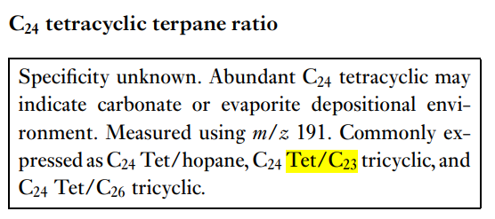
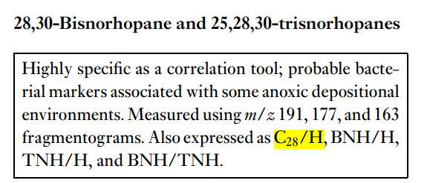
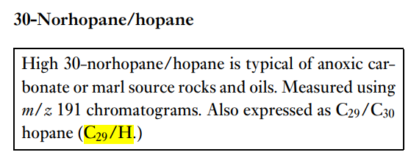
 |  |  |  |  |  |  |  |  |  |  |  |  | C22/C21
 |  |  |  |  |  |  |  |  |  |  |  |  | C24/C23
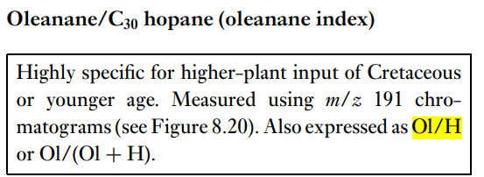
 |  |  |  |  |  |  |  |  |  |  |  |  | C26/C25
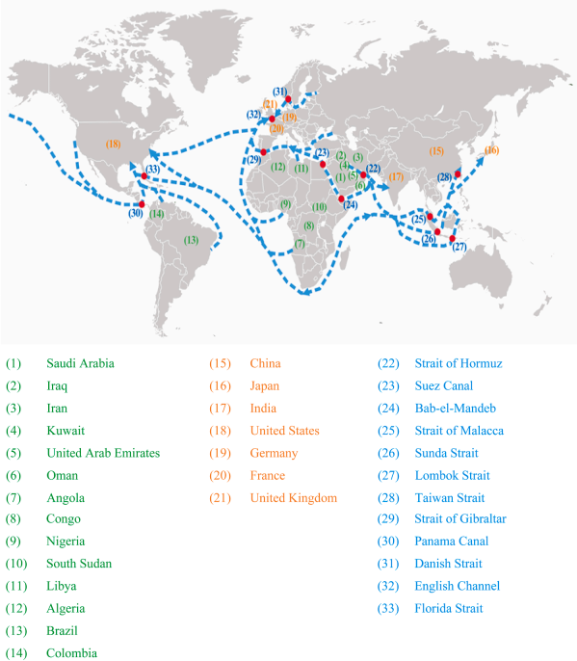
 |  |  |  |  |  |  |  |  |  |  |  |  | Tet/C23
 |  |  |  |  |  |  |  |  |  |  |  |  | Tet/C23Tet/C23Tet/C23
 |  |  |  |  |  |  |  |  |  |  |  |  | C28/H
 |  |  |  |  |  |  |  |  |  |  |  |  | C29/H
 |  |  |  |  |  |  |  |  |  |  |  |  | C30X/H ?
 |  |  |  |  |  |  |  |  |  |  |  |  | OL/H
 |  |  |  |  |  |  |  |  |  |  |  |  | C31R/H |  |  |  |  |  |  |  | Ster/Terp
 |  |  |  |  |  |  |  |  |  |  |  |  | GA/C31R |  | C31R/H |  | GA/C31R |  | C35S/C34S |  |  |  |  | C29 20S/R
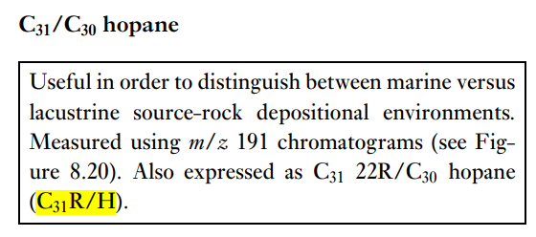
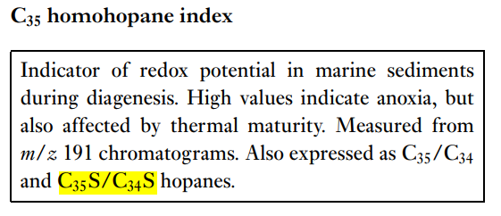
 |  |  |  |  |  |  |  |  |  |  |  |  | C35S/C34S
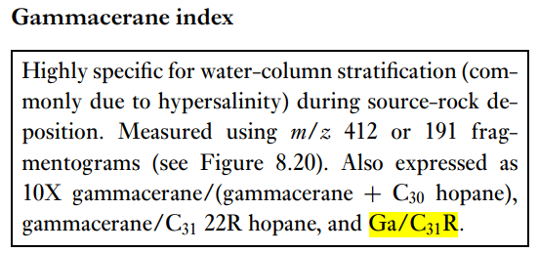
 |  |  |  |  |  |  |  |  |  |  |  |  | Ster/Terp
 |  |  |  |  |  |  |  |  |  |  |  |  | Rearr/Reg
 |  |  |  |  |  |  |  |  |  |  |  |  | %C27
 |  |  |  |  |  |  |  |  |  |  |  |  | %C28
 |  |  |  |  |  |  |  |  |  |  |  |  | %C29
 |  |  |  |  |  |  |  |  |  |  |  |  | C29 20S/R
 |  |  |  |  |  |  |  |  |  |  |  |  | Ts/Tm
 |  |  |  |  |  |  |  |  |  |  |  |  | C29D/H
 |  |  |  |  |  |  |  |  |  |  |  |  | DM/H

 |  |  |  |  |  |  |  |  |  |  |  |  |  |  | Ts/Tm

Wang et al., 2023 https://doi.org/10.1016/j.ress.2023.109254

